17a
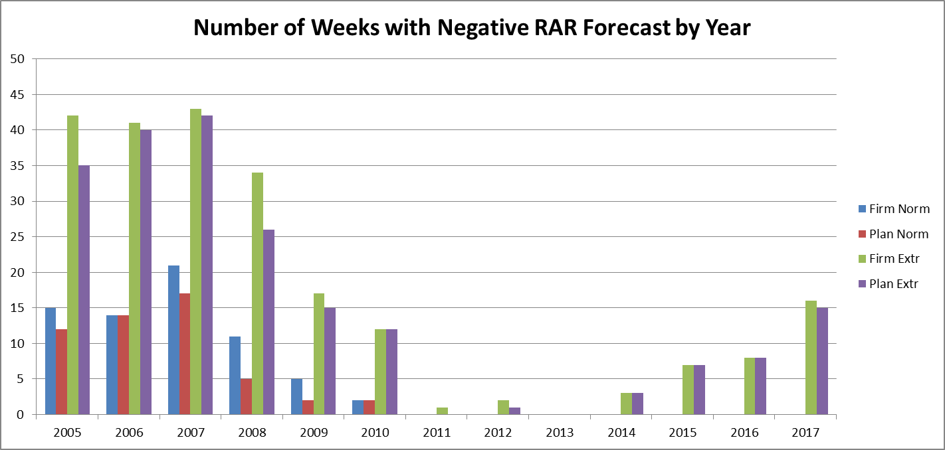
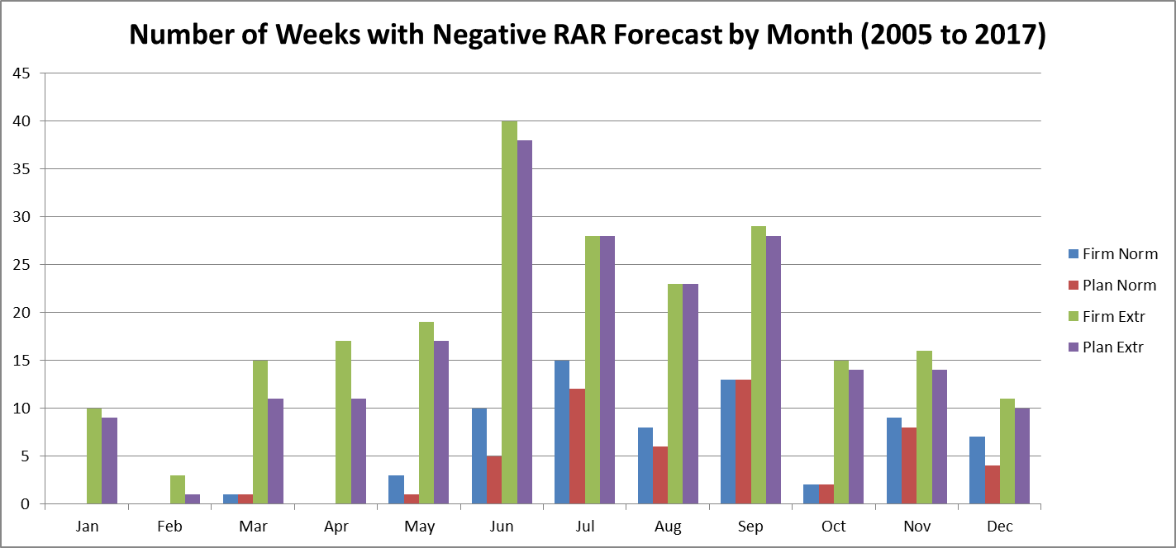
ECO Information Request No. 17a
Please provide any metrics the IESO uses to assess the reliability and resource adequacy of the IESO-controlled grid, and performance against these metrics from 2005 to the present. Some examples (not exhaustive – the IESO may be able to suggest additional metrics), could include: a. Number of weeks that Reserve Above Requirement has been forecast to be below zero (in 18-month outlooks), under normal and extreme weather conditions;

The risk of new facilities having a delayed connection to the system is accounted for in the 18-Month Outlook by considering two resource scenarios: a Firm Scenario and a Planned Scenario. The Firm Scenario considers the existing installed resources, their status change such as retirements and shutdowns over the Outlook period and resources that reached commercial operation. On top of this, the Planned Scenario assumes that all new resources are available as scheduled. Data sorted by year and month depending on week ending date.

 | Number of Weeks with Negative RAR Forecast by Year |  |  |  |  | Number of Weeks with Negative RAR Forecast by Month
 | Firm Normal | Planned Normal | Firm Extreme | Planned Extreme |  | Firm Normal | Planned Normal | Firm Extreme | Planned Extreme
Total | 68 | 52 | 226 | 204 | Jan | 0 | 0 | 10 | 9
2005 | 15 | 12 | 42 | 35 | Feb | 0 | 0 | 3 | 1
2006 | 14 | 14 | 41 | 40 | Mar | 1 | 1 | 15 | 11
2007 | 21 | 17 | 43 | 42 | Apr | 0 | 0 | 17 | 11
2008 | 11 | 5 | 34 | 26 | May | 3 | 1 | 19 | 17
2009 | 5 | 2 | 17 | 15 | Jun | 10 | 5 | 40 | 38
2010 | 2 | 2 | 12 | 12 | Jul | 15 | 12 | 28 | 28
2011 | 0 | 0 | 1 | 0 | Aug | 8 | 6 | 23 | 23
2012 | 0 | 0 | 2 | 1 | Sep | 13 | 13 | 29 | 28
2013 | 0 | 0 | 0 | 0 | Oct | 2 | 2 | 15 | 14
2014 | 0 | 0 | 3 | 3 | Nov | 9 | 8 | 16 | 14
2015 | 0 | 0 | 7 | 7 | Dec | 7 | 4 | 11 | 10
2016 | 0 | 0 | 8 | 8
2017 | 0 | 0 | 16 | 15

