Multi-Year Allocation
 | 2016-17 | 2017-18 | 2018-19 | 2019-20 | 2020-21
Ministry Base Operating Budget | 41.607014 | 39.601714 | 39.601714 | 39.601714 | 39.601714 | 1.94%
Green Investment Fund | 108
Agency Consolidations | 254.4394 | 266.2495 | 271.136 | 273.5935 | 273.7199 | 13.29%
Strategic Asset Management | 70 | 280 | 70 | - | - | 3.43%
Northern Ontario Energy Credit | 26 | 26 | 26 | 26 | 26 | 1.27%
Ontario Fair Hydro Plan | 300 | 1438 | 1633.4 | 1711 | 1787 | 80.06%
Preliminary Allocation | 800.046414 | 2049.851214 | 2040.137714 | 2050.195214 | 2126.321614 | 100.00%
AVG Growth 2017-18 to 2020-21 |  |  | -0.47% | 0.49% | 3.71% | 1.24%
AVG Growth 2018-19 to 2020-21 |  |  |  | 0.49% | 3.71% | 2.10%
Growth 2018-19 to 2020-21 |  |  |  |  |  | 4.22%
Growth 2016-17 - 2017-18 |  |  |  |  |  | 156.22%
FTE Allocation by Division (As of April 1, 2017)
Minister's Office/Parliamentary Assistant's Office | 16
Deputy Minister's Office | 8
Communications | 28
Corporate Services Division | 15.6
Energy Supply Policy | 37
Strategic Network and Agency Policy | 54
Conservation and Renewable Energy | 48
 |  | -4.82% | 0.00% | 0.00% | 0.00%

 | Ministry Base Operating Budget | Agency Consolidations | Strategic Asset Management | Green Investment Fund | Northern Ontario Energy Credit | Ontario Fair Hydro Plan
2016-17 | 41.607014 | 254.4394 | 70 | 108 | 26 | 300
2017-18 | 39.601714 | 266.2495 | 280 |  | 26 | 1438
2018-19 | 39.601714 | 271.136 | 70 |  | 26 | 1633.4
2019-20 | 39.601714 | 273.5935 | 0 |  | 26 | 1711
2020-21 | 39.601714 | 273.7199 | 0 |  | 26 | 1787

Current Year v2
 | 2016-17 | 2017-18 | 2018-19 | 2019-20 | 2020-21
Strategic Asset Management | 70.0 | 280.0 | 70.0 | - | - | 3.43%
Ministry Base Operating Budget | 39.1 | 36.2 | 36.2 | 36.2 | 36.2 | 1.77%
Northern Ontario Energy Credit | 26.0 | 26.0 | 26.0 | 26.0 | 26.0 | 1.27%
Ontario Fair Hydro Plan | 300.0 | 1,438.0 | 1,633.4 | 1,711.0 | 1,787.0 | 80.06%
Electricity Market Operations & System Planning (Delivered by the IESO) | 216.5 | 218.4 | 222.9 | 225.8 | 225.8 | 10.93%
Electricity and Natural Gas Regulation (Delivered by the OEB) | 37.9 | 45.7 | 46.0 | 46.0 | 45.5 | 2.26%
Greenhouse Gas Reduction Account Adjustment |  | 2.2 | 2.2 | 1.9 | 2.5 | 0.11%
Long-Term Energy Plan Program Initiatives | 3.4 | 3.4 | 3.4 | 3.4 | 3.4 | 0.17%

 | 692.98 | 2049.85 | 2040.14 | 2050.20 | 2126.32 | 100.00%

2018-19 Preliminary Ministry Allocation: $2,040.14 million
 | 2018-19 | 2018-19 | 2019-20 | 2020-21 | 2020-21
Strategic Asset Management | 70.0 | 70.0 | - | - | 3.43%
Ministry Base Operating Budget | 36.2 | 36.2 | 36.2 | 36.2 | 1.77%
Northern Ontario Energy Credit | 26.0 | 26.0 | 26.0 | 26.0 | 1.27%
Ontario Fair Hydro Plan | 1,633.4 | 1,633.4 | 1,711.0 | 1,787.0 | 80.06%
Electricity Market Operations & System Planning (Delivered by the IESO) | 222.9 | 222.9 | 225.8 | 225.8 | 10.93%
Electricity and Natural Gas Regulation (Delivered by the OEB) | 46.0 | 46.0 | 46.0 | 45.5 | 2.26%
Greenhouse Gas Reduction Account Adjustment | 2.2 | 2.2 | 1.9 | 2.5 | 0.11%
Long-Term Energy Plan Program Initiatives | 3.4 | 3.4 | 3.4 | 3.4 | 0.17%

Current Year
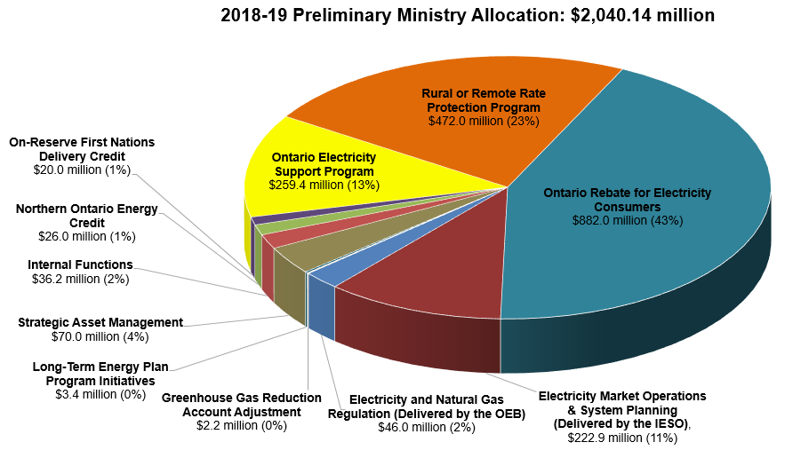
 | 2016-17 | 2017-18 | 2018-19 | 2019-20 | 2020-21
Strategic Asset Management | 70.0 | 280.0 | 70.0 | - | - | 3.43%
Internal Functions | 39.1 | 36.2 | 36.2 | 36.2 | 36.2 | 1.77%
Northern Ontario Energy Credit | 26.0 | 26.0 | 26.0 | 26.0 | 26.0 | 1.27%
On-Reserve First Nations Delivery Credit | 300.0 | 1,438.0 | 20.0 | 1,711.0 | 1,787.0 | 0.98%
Ontario Electricity Support Program |  |  | 259.4 |  |  | 12.71%
Rural or Remote Rate Protection Program |  |  | 472.0 |  |  | 23.14%
Ontario Rebate for Electricity Consumers |  | 939.0 | 882.0
Electricity Market Operations & System Planning (Delivered by the IESO) | 216.5 | 218.4 | 222.9 | 225.8 | 225.8 | 10.93% | 554.4 | 2643.2 | 1904.5 | 1984.6 | 2060.7
Electricity and Natural Gas Regulation (Delivered by the OEB) | 37.9 | 45.7 | 46.0 | 46.0 | 45.5 | 2.26%
Greenhouse Gas Reduction Account Adjustment |  | 2.2 | 2.2 | 1.9 | 2.5 | 0.11%
Long-Term Energy Plan Program Initiatives | 3.4 | 3.4 | 3.4 | 3.4 | 3.4 | 0.17%

 | 692.98 | 2988.85 | 2040.14 | 2050.20 | 2126.32 | 56.77%

2018-19 Preliminary Ministry Allocation: $2,040.14 million
 | 2018-19 | 2018-19 | 2019-20 | 2020-21 | 2020-21
Strategic Asset Management | 70.0 | 70.0 | - | - | 3.43%
Internal Functions | 36.2 | 36.2 | 36.2 | 36.2 | 1.77%
Northern Ontario Energy Credit | 26.0 | 26.0 | 26.0 | 26.0 | 1.27%
On-Reserve First Nations Delivery Credit | 20.0 | 20.0 | 1,711.0 | 1,787.0 | 0.98%
Ontario Electricity Support Program | 259.4 | 259.4 |  |  | 12.71%
Rural or Remote Rate Protection Program | 472.0 | 472.0 |  |  | 23.14%
Ontario Rebate for Electricity Consumers | 882.0 | 882.0
Electricity Market Operations & System Planning (Delivered by the IESO) | 222.9 | 222.9 | 225.8 | 225.8 | 10.93%
Electricity and Natural Gas Regulation (Delivered by the OEB) | 46.0 | 46.0 | 46.0 | 45.5 | 2.26%
Greenhouse Gas Reduction Account Adjustment | 2.2 | 2.2 | 1.9 | 2.5 | 0.11%
Long-Term Energy Plan Program Initiatives | 3.4 | 3.4 | 3.4 | 3.4 | 0.17%

draft
 | 2016-17 | 2017-18 | 2018-19 | 2019-20 | 2020-21
Ministry Operating (excluding NOEC, OREC, OESP, RRRP, On-Reserve First Nations Delivery Credit) | 42.537 | 39.6017 | 39.6017 | 39.6017 | 39.6017 | 1.94%
Agency Consolidations | 254.4394 | 266.2495 | 271.136 | 273.5935 | 273.7199 | 13.29%
Strategic Asset Management | 70 | 280 | 70 | - | - | 3.43%
Northern Ontario Energy Credit | 26 | 26 | 26 | 26 | 26 | 1.27%
On-Reserve First Nations Delivery Credit | - | 15 | 20 | 20 | 20 | 0.98%
Rural or Remote Rate Protection Program | - | 344 | 472 | 484 | 497 | 23.14%
Ontario Electricity Support Program | - | 140 | 259.4 | 325 | 375 | 12.71%
Ontario Rebate for Electricity Consumers | 300 | 939 | 882 | 882 | 895 | 43.23%
Preliminary Allocation | 692.9764 | 2049.8512 | 2040.1377 | 2050.1952 | 2126.3216 | 100.00%

