Sheet1
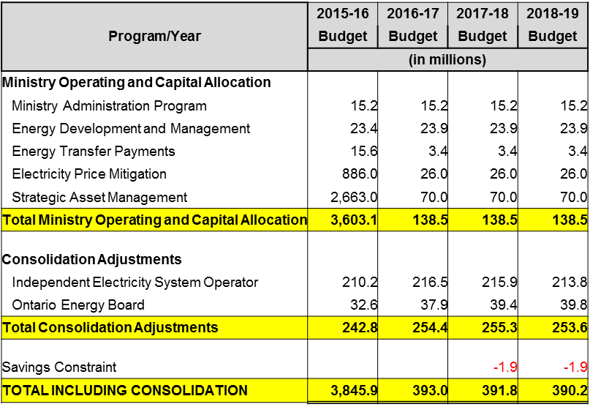
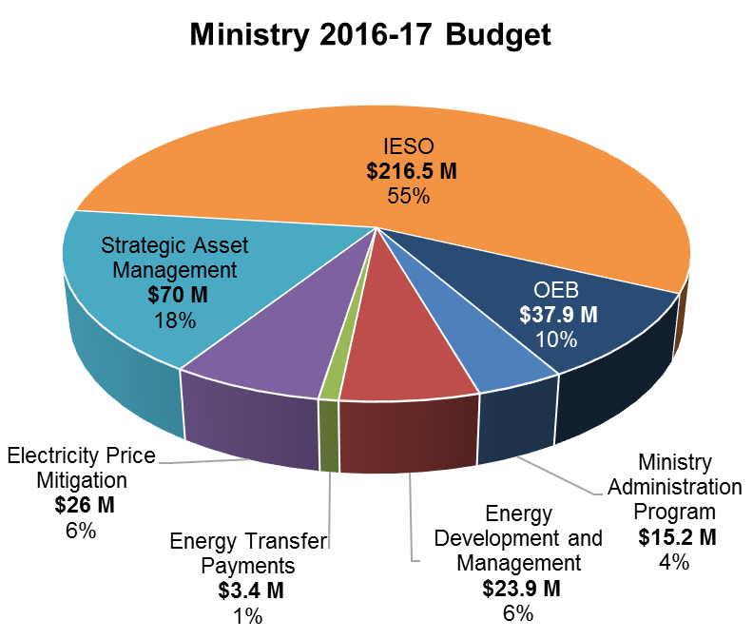

2017-18

Program/Year | 2016-17 Budget | 2017-18 Budget | 2018-19 Budget | 2019-20 Budget
 | (in millions)
Ministry Operating and Capital Allocation
Vote 2901 Ministry Administration Program | 15.2 | 15.1 | 15.1 | 15.1
Vote 2902 Energy Development and Management | 134.4 | 24.5 | 24.5 | 24.5
Vote 2905 Electricity Price Mitigation | 326.0 | 1,464.0 | 1,661.0 | 1,737.0
Vote 2906 Strategic Asset Management | 70.0 | 280.0 | 70.0 | 0.0
Total Ministry Operating and Capital Allocation | 545.6 | 1,783.6 | 1,770.6 | 1,776.6

Consolidation Adjustments and Other Adjustments
Independent Electricity System Operator | 216.5 | 218.4 | 222.9 | 225.8
Ontario Energy Board | 37.9 | 45.7 | 46.0 | 46.0
GGRA Adjustment - EV Overnight Charging Rebate Program | - | 2.2 | 2.2 | 1.9
Total Consolidation Adjustments | 254.4 | 266.3 | 271.1 | 273.6
TOTAL INCLUDING CONSOLIDATION | 800.0 | 2,049.9 | 2,041.7 | 2,050.2

Sheet2
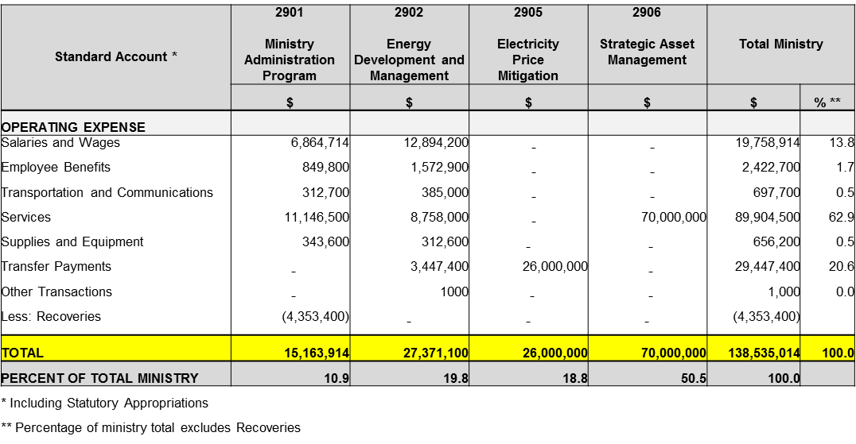
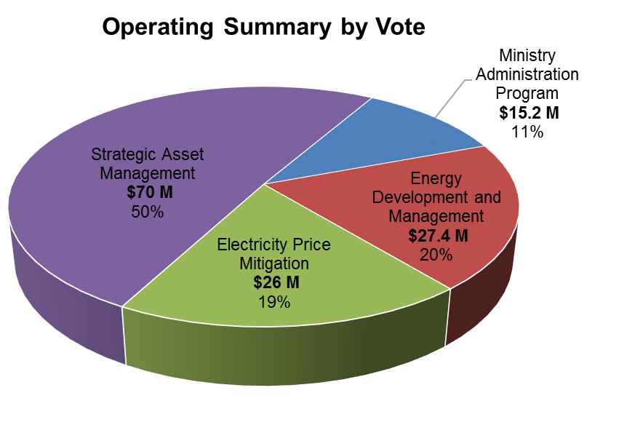
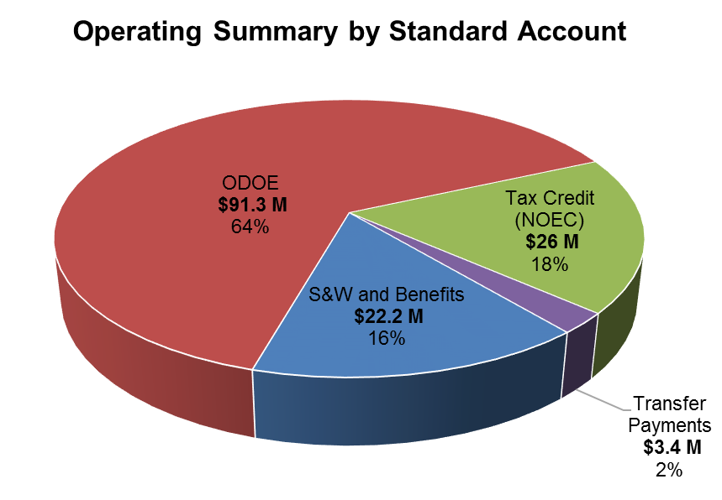

Operating Summary by Vote
 | Ministry Administration Program $ | Energy Development and Management $ | Electricity Price Mitigation $ | Strategic Asset Management $ | Total Ministry $
Ministry Administration Program | 15,139,214
Energy Development and Management | 24,460,500 | 12,314,200 | - | - | 19,178,914 | 1.1
Electricity Price Mitigation | 1,464,000,000 | 1,497,900 | - | - | 2,347,700 | 0.1
Strategic Asset Management | 280,000,000 | 385,000 | - | - | 697,700 | 0.0
 |  | 6,502,400 | - | 99,999,000 | 117,623,200 | 6.6
 |  | 312,600 | - | - | 656,200 | 0.0
 |  | 5,597,400 | 1,464,000,000 | 180,001,000 | 1,649,598,400 | 92.2
 |  | 1,000 | - | - | 1,000 | 0.0
 |  | -2,150,000 | - | - | -6,503,400
 |  | 24,460,500 | 1,464,000,000 | 280,000,000 | 1,783,599,714 | 100.0
 |  | 1 | 82 | 16 | 100
 |  | - | 1,100,000,000 | - | 1,100,000,000 | 100.0
 |  | - | 1,100,000,000 | - | 1,100,000,000 | 61.7
 |  | - | 100 | - | 100
Standard Account* | 2901 | 2902 | 2905 | 2906 | Total Ministry
 | Ministry Administration Program | Energy Development and Management | Electricity Price Mitigation | Strategic Asset Management
 | $ | $ | $ | $ | $ | %**
OPERATING EXPENSE
Salaries and Wages | 6,864,714 | 12,314,200 | - | - | 19,178,914 | 1.1
Employee Benefits | 849,800 | 1,497,900 | - | - | 2,347,700 | 0.1
Transportation and Communications | 312,700 | 385,000 | - | - | 697,700 | 0.0
Services | 11,121,800 | 6,502,400 | - | 99,999,000 | 117,623,200 | 6.6
Supplies and Equipment | 343,600 | 312,600 | - | - | 656,200 | 0.0
Transfer Payments | - | 5,597,400 | 1,464,000,000 | 180,001,000 | 1,649,598,400 | 92.2
Other Transactions | - | 1,000 | - | - | 1,000 | 0.0
Less: Recoveries | (4,353,400) | (2,150,000) | - | - | (6,503,400)
TOTAL | 15,139,214 | 24,460,500 | 1,464,000,000 | 280,000,000 | 1,783,599,714 | 100.0
PERCENT OF TOTAL MINISTRY | 0.8 | 1.4 | 82.1 | 15.7 | 100.0
OPERATING ASSETS
Loans and Investments | - | - | 1,100,000,000 | - | 1,100,000,000 | 100.0
TOTAL | - | - | 1,100,000,000 | - | 1,100,000,000 | 61.7
PERCENT OF TOTAL MINISTRY | 0.0 | 0.0 | 100.0 | 0.0 | 100.0
* Including Statutory Appropriations
** Percentage of ministry total excludes Recoveries

Sheet4
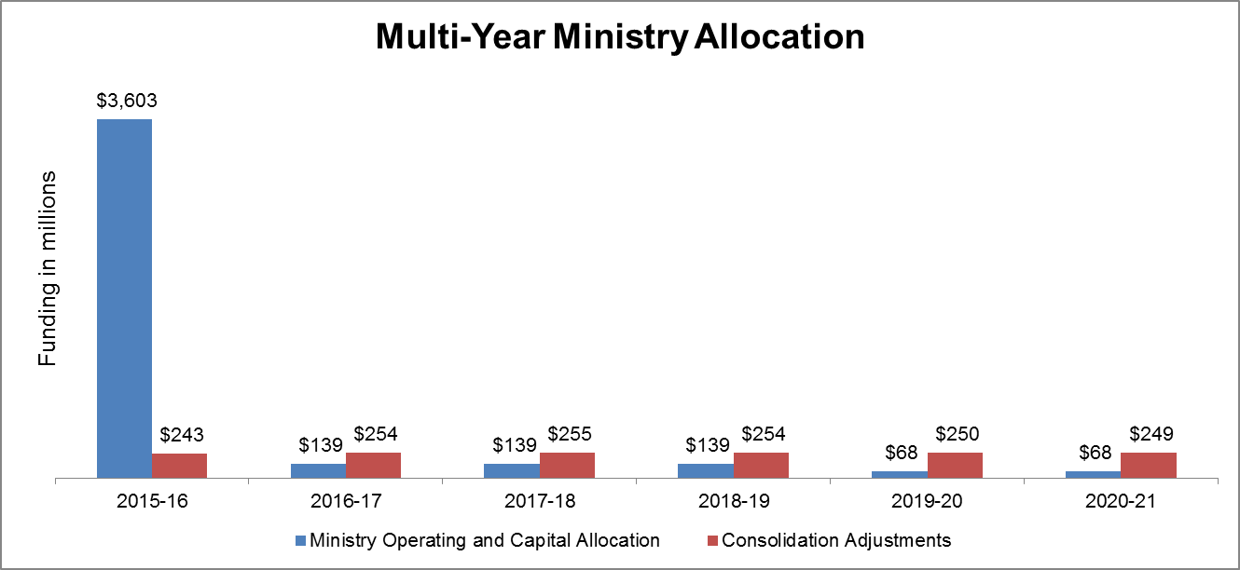

Sheet5
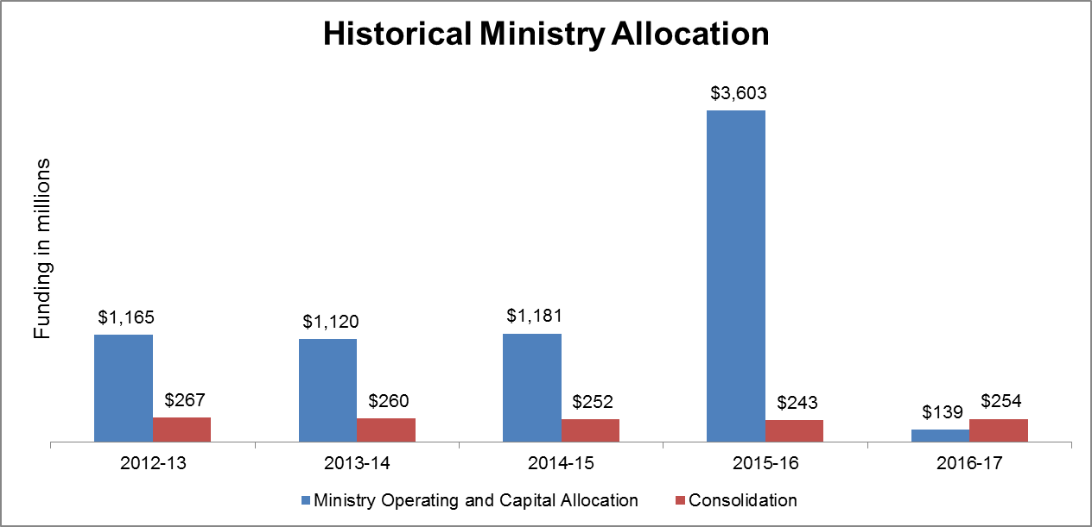
Historical Ministry Allocation

 |  | Ministry Operating and Capital Allocation | Consolidation & Other Adjustments
Funding in millions | 2013-14 | $1,120.0 | $260.0
 | 2014-15 | $1,181.0 | $252.0
 | 2015-16 | $3,603.0 | $243.0
 | 2016-17 | $546.0 | $254.0
 | 2017-18 | $1,784.0 | $266.2

FTE
FTE Allocation by Division (As of April 1, 2017)
Division | FTE Preliminary Allocation 2017-18
(Note: LSB staff are accounted for by MAG)
Minister's Office/Parliamentary Assistant's Office | 16
Deputy Minister's Office | 8
Communications | 28
Corporate Services Division | 15.6
Energy Supply Policy | 37
Strategic Network and Agency Policy | 54
Conservation and Renewable Energy | 48
Risk Managed MO FTEs | -3
Temporary Transfer of FTEs | -2
Total | 201.6

Current Year v2
 | 2016-17 | 2017-18 | 2018-19 | 2019-20 | 2020-21
Strategic Asset Management | 70.0 | 280.0 | 70.0 | - | - | 3.43%
Ministry Base Operating Budget | 39.1 | 36.2 | 36.2 | 36.2 | 36.2 | 1.77%
Northern Ontario Energy Credit | 26.0 | 26.0 | 26.0 | 26.0 | 26.0 | 1.27%
Ontario Fair Hydro Plan | 300.0 | 1,438.0 | 1,633.4 | 1,711.0 | 1,787.0 | 80.06%
Electricity Market Operations & System Planning (Delivered by the IESO) | 216.5 | 218.4 | 222.9 | 225.8 | 225.8 | 10.93%
Electricity and Natural Gas Regulation (Delivered by the OEB) | 37.9 | 45.7 | 46.0 | 46.0 | 45.5 | 2.26%
Greenhouse Gas Reduction Account Adjustment |  | 2.2 | 2.2 | 1.9 | 2.5 | 0.11%
Long-Term Energy Plan Program Initiatives | 3.4 | 3.4 | 3.4 | 3.4 | 3.4 | 0.17%

 | 692.98 | 2049.85 | 2040.14 | 2050.20 | 2126.32 | 100.00%

2018-19 Preliminary Ministry Allocation: $2,040.14 million
 | 2018-19 | 2018-19 | 2019-20 | 2020-21 | 2020-21
Strategic Asset Management | 70.0 | 70.0 | - | - | 3.43%
Ministry Base Operating Budget | 36.2 | 36.2 | 36.2 | 36.2 | 1.77%
Northern Ontario Energy Credit | 26.0 | 26.0 | 26.0 | 26.0 | 1.27%
Ontario Fair Hydro Plan | 1,633.4 | 1,633.4 | 1,711.0 | 1,787.0 | 80.06%
Electricity Market Operations & System Planning (Delivered by the IESO) | 222.9 | 222.9 | 225.8 | 225.8 | 10.93%
Electricity and Natural Gas Regulation (Delivered by the OEB) | 46.0 | 46.0 | 46.0 | 45.5 | 2.26%
Greenhouse Gas Reduction Account Adjustment | 2.2 | 2.2 | 1.9 | 2.5 | 0.11%
Long-Term Energy Plan Program Initiatives | 3.4 | 3.4 | 3.4 | 3.4 | 0.17%

