data07
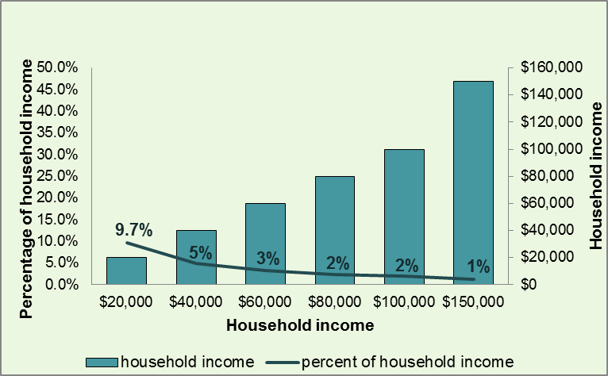
Post-LTEP 2016 Bill | 162 | $1,944 | $1,944 | $1,944 | $1,944 | $1,944 | $1,944 | $1,944

 |  | $20,000 | $40,000 | $60,000 | $80,000 | $100,000 | $150,000 | $300,000

 |  | 9.7% | 5% | 3% | 2% | 2% | 1% | 1%

