Cash Deposit
From: Audelyn Budihardjo
Sent: Friday, June 02, 2017 3:48 PM
To: Patel, Bharat (TBS) <Bharat.Patel3@ontario.ca>
Cc: Horace Chan <Horace.Chan@auditor.on.ca>
Subject: Question: Cash entries

Hi Bharat,

We’ve come across a couple of items in the cash testing (account number 101112 CIBC_IFIS ODOE General_7650612 ) that we would like to get your assistance in. Please see below. If it’s easier to discuss over the phone, feel free to give me a call.

Thanks,
Audelyn
416-327-3976

Although the amounts below were deposited and received by the bank before March 31st, these amounts were not recorded in the GL until after March 31st. This is similar to the cash adjusted misstatement that we had last year (#16).

Deposit # | Description | Amount (CAD) | Transaction Date
 |  |  | (amount deposited per bank statement)
1 | PUBLICWORKSANDGOVERNMENT | 28,928,998.00 | 2017-03-31
2 | ESDC20170327 | 16,975,053.90 | March 30

The first item relates to HST rebate claim with CRA. It is our understanding that the notification of the deposit came on Apr 3, the business day after March 31 in which the sum was deposited. An entry was made on April 4th to record the cash in the GL (see below). The other side of the entry was made to account 122315, Advances and Recoverable_HST Pa.

Request: Could you reach out to your contacts to discuss this entry and let us know if you agree whether or not it is an error? We were informed by Louise Chabot that once the GL is closed for the period, they can no longer post to the month.

For the second deposit, we have not been able to get an explanation on what the other side of the entry is. The entry may be what is shown below but we have not been able to confirm this. Similar to the entry above, this deposit was recorded in the GL until after March 31st.

Request: Could you please identify a contact for us regarding this second deposit and determine if this is an error or not.

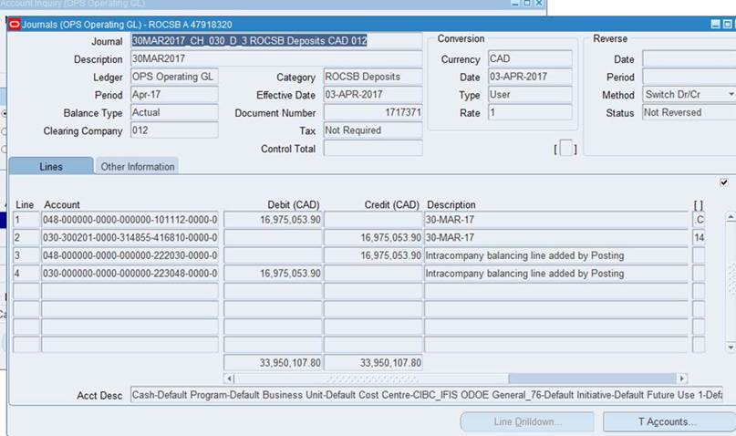

Audelyn Budihardjo, CPA, CA, MMPA
Audit Manager
20 Dundas Street West | Suite 1530 | Toronto ON M5G 2C2
(: 416-327-3976 | *: Audelyn.Budihardjo@auditor.on.ca

-- This email (including attachments) may contain confidential, personal, legally-privileged, copyrighted information, or information exempt from disclosure under The Auditor General Act, R.S.O. 1990, c. A.35. Contact me immediately if you are not the intended recipient and delete this email from your system and do not use, distribute (forward), copy, or disclose its contents.

